7.2 theory
 |  | Page 124
7.2 One-Sample t-Interval for the Mean
We use statistical inference when we wish to estimate some parameter of the population. Often, we want to estimate the mean of a population. Since we know that sample statistics usually vary, we will construct a confidence interval. The confidence interval will give a range of values that would be reasonable values for the parameter of interest, based on the statistic obtained from the sample.
When dealing with inference, we must always check certain assumptions for inference.
We confirm or disconfirm these “assumptions” by checking the appropriate conditions. If the assumptions cannot be verified, our results may be inaccurate. The assumptions and conditions for a one-sample t-interval or one sample t-test are as follows:

Assumptions | Conditions
1. Individuals are independent | 1. SRS and <10% of population (10n<N)
2. Normal population assumption | 2. One of the following:
 | – Given a normal population
 | – Graph of sample data is symmetric with no outliers
 | – Sample is large enough (n ≥ 30) that the sampling distribution of is x_ approximately normal

The t-procedures (t-interval and t-test) are robust, meaning that the results of our t-interval or t-test would not change very much even though the assumptions of the procedure are violated. If you are asked to work on a problem for which the assumptions cannot be verified, state that this is the case and that the results of the inference being performed may be inaccurate.

chat.openai.com
One-Sample t-Interval for the Mean
A one-sample t-interval is a statistical procedure used to estimate the mean of a population based on a sample from that population. It is used when you have a sample of data from a single group and you want to estimate the mean of the population that the group is drawn from.
To construct a one-sample t-interval, you need to have a sample of data and the sample mean, standard deviation, and sample size. You also need to specify your desired level of confidence. A commonly used level of confidence is 95%, which corresponds to a confidence interval of 95%.
1. To construct the one-sample t-interval, you first need to calculate the standard error of the mean (SEM), which is an estimate of the standard deviation of the sampling distribution of the mean. The SEM is calculated as the standard deviation of the sample divided by the square root of the sample size.
2. Next, you need to determine the critical value for the t-distribution based on your desired level of confidence and the degrees of freedom (df), which is the sample size minus 1. The t-value is then calculated as the sample mean minus the population mean, divided by the SEM.
3. The one-sample t-interval is then calculated as the sample mean plus or minus the t-value multiplied by the SEM. This interval represents the range of values that is expected to contain the population mean with a specified level of confidence.
chat.openai.com
Intervalo t de una muestra para la media
Un intervalo t de una muestra es un procedimiento estadístico utilizado para estimar la media de una población a partir de una muestra de esa población. Se utiliza cuando se tiene una muestra de datos de un único grupo y se desea estimar la media de la población de la que se ha extraído el grupo.
Para construir un intervalo t de una muestra, necesita tener una muestra de datos y la media, el desvío estándar y el tamaño de la muestra de la muestra. También necesita especificar su nivel deseado de confianza. Un nivel de confianza comúnmente utilizado es el 95%, lo que corresponde a un intervalo de confianza del 95%.
1. Para construir el intervalo t de una muestra, primero se necesita calcular el error estándar de la media (SEM), que es una estimación de la desviación estándar de la distribución muestral de la media. El SEM se calcula como el desvío estándar de la muestra dividido por la raíz cuadrada del tamaño de la muestra.
2. A continuación, debe determinar el valor crítico para la distribución t en función del nivel de confianza deseado y los grados de libertad (df), que es el tamaño de la muestra menos 1. El valor t se calcula entonces como la media de la muestra menos la media de la población, dividida por el SEM.
3. El intervalo t de una muestra se calcula entonces como la media de la muestra más o menos el valor t multiplicado por el SEM. Este intervalo representa el rango de valores que se espera que contenga la media de la población con un nivel especificado de confianza.
Regenerate response

7.2 theory v1
fuente: chat.openai.com
Intervalo t de una muestra para la media
Un intervalo t de una muestra es un procedimiento estadístico utilizado para estimar la media de una población a partir de una muestra de esa población. Se utiliza cuando se tiene una muestra de datos de un único grupo y se desea estimar la media de la población de la que se ha extraído el grupo.
Para construir un intervalo t de una muestra, necesita tener una muestra de datos y la media, el desvío estándar y el tamaño de la muestra de la muestra. También necesita especificar su nivel deseado de confianza. Un nivel de confianza comúnmente utilizado es el 95%, lo que corresponde a un intervalo de confianza del 95%.
1. Para construir el intervalo t de una muestra, primero se necesita calcular el error estándar de la media (SEM), que es una estimación de la desviación estándar de la distribución muestral de la media. El SEM se calcula como el desvío estándar de la muestra dividido por la raíz cuadrada del tamaño de la muestra.
2. A continuación, debe determinar el valor crítico para la distribución t en función del nivel de confianza deseado y los grados de libertad (df), que es el tamaño de la muestra menos 1. El valor t se calcula entonces como la media de la muestra menos la media de la población, dividida por el SEM.
3. El intervalo t de una muestra se calcula entonces como la media de la muestra más o menos el valor t multiplicado por el SEM. Este intervalo representa el rango de valores que se espera que contenga la media de la población con un nivel especificado de confianza.
Los supuestos y condiciones para un intervalo t de una muestra o una prueba t de una muestra son las siguientes:

Supuestos | Condiciones
1. Los individuos son independientes | 1. SRS and <10% de la población (10n<N)
2. Población con distribución normal | 2. Uno de los siguientes:
 | – Dada una población normal
 | – El gráfico de los datos muestrales es simétrico sin valores atípicos.
 | – Sample is large enough (n ≥ 30) that the sampling distribution of is x_(media muestral) es aproximadamente normal.

7.2
7.2 One-Sample t-Interval for the Mean |  |  |  |  |  | Page 126

 | The following example involves finding a confidence interval.

 | 1. Identify the parameter of interest, choose the appropriate inference
 | procedure, and verify that the assumptions and conditions for that
 | procedure are met.
 | 2. Carry out the inference procedure. Do the math! Be sure to apply the
 | correct formula.
 | 3. Interpret the results in the context of the problem.

 | • Example 1: Nolan wanted to estimate the average number of miles
 | that a typical Indiana high-school male cross-country runner would run
 | over a one-week period. The following is a random sample of the number
 | of miles per week run by 20 male high-school cross-country runners in
 | the state of Indiana. Find a 90% confidence interval for the average
 | number of miles run per week for all male high-school cross-country
 | runners in the state of Indiana.

 | Boys:
 | 20 |  |  |  | 858.49
 | 30 |  |  |  | 372.49
 | 35 |  |  |  | 204.49
 | 40 |  |  |  | 86.49
 | 40 |  |  |  | 86.49
 | 45 |  |  |  | 18.49
 | 45 |  |  |  | 18.49
 | 45 |  |  |  | 18.49
 | 50 |  |  |  | 0.49
 | 50 |  |  |  | 0.49
 | 50 |  |  |  | 0.49
 | 50 |  |  |  | 0.49
 | 52 |  |  |  | 7.29
 | 54 |  |  |  | 22.09
 | 55 |  |  |  | 32.49
 | 60 |  |  |  | 114.49
 | 60 |  |  |  | 114.49
 | 60 |  |  |  | 114.49
 | 70 |  |  |  | 428.49
 | 75 |  |  |  | 660.49
 |  |  |  |  | 3,160.20
 |  |  |  | Var | 166.33
Solution: |  |  |  | s | 12.90
Step 1:

 | Assumptions and conditions that verify:
 | 1. Individuals are independent
 | 2. Normal population assumption.

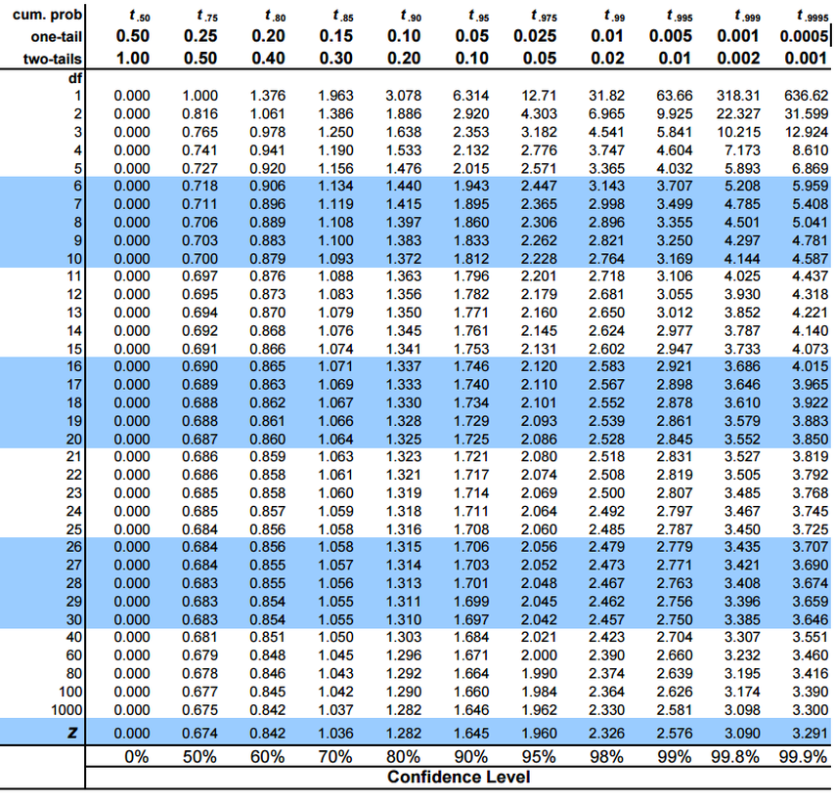
Step 2: Since the conditions are met, we will construct the confidence
interval for the population mean, mu, using:

 | IC | 95% | 0.05 | 0.95
 | n = | 20 | 20 | 20
 | df = | 19 | 19 | 19
 | t = | 1.7291328115 | -1.7291328115 | 1.7291328115

 | x_ = | 49.3
 | s_ = | 12.896756018

 | LI = | 44.313522796
 | LS = | 54.286477204

Step 3: Conclude in context! We are 90% confident that the true average
number of miles that Indiana high-school male cross-country runners
run in a given week is between 44.314 and 54.286 miles

 | http://cob.jmu.edu/stevensp/191/Templates%20191/191%20Excel%20Templates.htm

7.3 theory
 |  | Page 124
7.3 One-Sample t-Test for the Mean (hypothesis test, or test of significance)
We use this form of statistical inference when we wish to test a claim that has been made concerning a population. We use sample data to help us make decisions about the population of interest. In other words, we use the sample data to see if there is enough “evidence” to support the claim or to reject it.
Use the following three-step method when performing a hypothesis test for the mean of a population:
1. Identify the parameter of interest, choose the appropriate inference procedure, and verify that the assumptions and conditions for that procedure are met. Define any variables of interest. State the appropriate null and alternative hypotheses.
2. Carry out the inference procedure. Calculate the test statistic and find the p-value.
3. Interpret the results in context of the problem. This is by far the most important part of inference. Be sure that your decision to reject or fail to reject the null hypothesis is done in context of the problem and is based upon the p-value.
Hypothesis testing typically involves a null hypothesis and an alternative hypothesis. It’s important to note that we are not proving anything; we are simply testing to see if there is enough evidence to reject or fail to reject the null hypothesis. The null hypothesis is denoted by H_0, pronounced H-nought. The alternative hypothesis is denoted by
H_a.
• The null hypothesis should always include an equality (like ≤, =, or ≥) and must always be written using parameters and not statistics! Of course, you should define any variables you use. For example: H_0 : mu = mu_0, where mu_0 is the hypothesized value.
• The alternative hypothesis can be one-sided or two-sided. A one-sided alternative would be either H_a : mu < mu_0 or H_a : mu > mu_0. A two-sided alternative would be: H_a: mu≠ mu_0.
The same assumptions and conditions must be met for a hypothesis test as for a confidence interval.
• When the conditions for using one-sample t-procedures are met, we can use the test statistic with n–1 degrees of freedom.
We use the p-value to determine if we reject or fail to reject the null hypothesis. The p-value is the probability of obtaining a sample statistic as extreme or more extreme than we have obtained, given that the null hypothesis is true. The smaller the p-value, the more evidence we have to reject the null hypothesis.

Assumptions | Conditions
1. Individuals are independent | 1. SRS and <10% of population (10n<N)
2. Normal population assumption | 2. One of the following:
 | – Given a normal population
 | – Graph of sample data is symmetric with no outliers
 | – Sample is large enough (n ≥ 30) that the sampling distribution of is x_ approximately normal

7.4 - 7.5 theory
7.4 Two-Sample t-Interval for the Difference Between Two Means
• We are sometimes interested in the difference in two population means, mu_1 – mu_2. The assumptions and conditions necessary to carry out a confidence interval or test of significance are the same for two-sample means as they are for one-sample means, with the addition that the samples must be independent of one another. You must check the assumptions and conditions for each independent sample.

Assumptions | Conditions
1. Samples are independent of each other | 1. Are they? Does this seem reasonable?
2. Individuals in each sample are independent | 2. Both SRSs and both <10% population (10n<N for both samples)
3. Normal populations assumption | 3. One of the following:
 | – Given normal populations – Graph of data for both samples shows no outliers or strong skewness – Samples are both large (n ≥ 30); therefore the sampling distribution of x_1 - x_2 is approximately normal

Remember that the mean of the sampling distribution of x_1 - x_2 is mu_1 - mu_2.
The standard deviation of the sampling distribution is
Remember that the population standard deviations are usually unknown. Recall that when this is the case, we use the sample standard deviation to estimate the population standard deviation. Thus, the standard error (SE) of the sampling distribution is
• Once we’ve checked the assumptions and conditions, we can proceed to finding the confidence interval for the difference of the means of the two independent groups. We can use
. The t* value depends on the particular level of confidence that you want and on the degrees of freedom (df).
To find the degrees of freedom of a two-sample t-statistic, we can use the degrees of freedom equal to the smaller of the two values of n_1 – 1 and n_2 – 2. This is considered a conservative method.

7.5 Two-Sample t-Test for the Difference Between
Two Means
• The assumptions and conditions for a two-sample hypothesis test for means are the same as the assumptions and conditions for a two-sample t-interval. The null hypothesis for this type of test can be written as:
H_0 : mu_1 = mu_2 or H_0 : mu_1 – mu_2 = 0
As with a one-sample t-test, the alternative hypothesis can be written with ≠, <, or >. Once the appropriate assumptions and conditions have been met, we can calculate the two-sample t-statistic as follows:

7.4 - 7.5
7.4 Two-Sample t-Interval for the Difference Between Two Means |  |  |  | Pág. 142

 | We are sometimes interested in the difference in two population means, mu_1 – mu_2.

 | Boys: | Girls:
 | 20 | 20
 | 30 | 20
 | 35 | 30
 | 40 | 35
 | 40 | 35
 | 45 | 40
 | 45 | 40
 | 45 | 40
 | 50 | 45
 | 50 | 45
 | 50 | 45
 | 50 | 50
 | 52 | 50
 | 54 | 50
 | 55 | 52
 | 60 | 60
 | 60 | 60
 | 60 | 60
 | 70 | 60
 | 75 | 60

Solution:
Step 1:
 | Let mu_1 = mean weekly mileage for male runners.
 | Let mu_2 = mean weekly mileage for female runners.

 | Assumptions and conditions that verify:

 | Samples are independent of one another. We are given that the samples
 | are independent of one another.

 | Individuals are independent. We are given that the samples are random,
 | and we can safely assume that there are more than 200 male and 200 female
 | cross-country runners in the state of Indiana (10n < N for both samples).

 | Normal population assumption. We are given small samples, but modified
 | boxplots for each sample appear to be symmetric with no outliers.

Step 2: Since the assumptions and conditions have been met construct a two-sample t-interval.

 | x_1 = | 49.3
 | x_2 = | 44.85

 | IC | 98%
 | t = | 2.0930240544

 | s_1 = | 12.896756018
 | s_2 = | 12.562580191

 | n_1 = | 20
 | n_2 = | 20

 | LI = | 12.876140742
 | LS = | -3.9761407423

Step 3:We are 95% confident that the true difference in the means of
male and female high-school cross-country runners in the state of Indiana
is between –3.7 miles and 12.6 miles.

7.5 Two-Sample t-Test for the Difference Between Two Means

• The assumptions and conditions for a two-sample hypothesis test for
means are the same as the assumptions and conditions for a two-sample
t-interval.

The null hypothesis for this type of test can be written as:
H_0 : mu_1 = mu_2 or H_0 : mu_1 – mu_2 = 0

As with a one-sample t-test | the alternative hypothesis can be written
with ≠, <, or >.

Solution:
Step 1:
 | H0 : mu_1 = mu_2
 | H0 : mu_1 ≠ mu_2

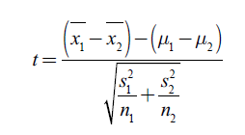

 | t = | 1.105364523
 | df = | 38
 | p = |  | 0.27595598785

Step 3: With a p-value of approximately 0.2760 | we fail to reject the
null hypothesis at any reasonable level of significance. We conclude that
male and female cross-country runners do not differ in average weekly
mileage.

8.1 theory
 |  | Page 150
8.1 One-Sample z-Interval for Proportions
We are often concerned about the unknown proportion of the population that has some particular outcome of interest. Always use p^ when referring to a sample proportion and p when referring to a population proportion.
• As discussed in Chapter 6, the sampling distribution of p^ is approximately normal, provided that np and n(1 – p) are at least 10. The standard deviation of the sampling distribution of is as long as the population is at least 10 times the sample size.
When dealing with confidence intervals, we do not know p. Because p^ is an unbiased estimator of p, we use to estimate p. These two values should be close in value, provided that the sample is large enough.
We can then use the standard error of , which is:
• When constructing a one-proportion z-interval, we use:
• The assumptions and conditions of the inference procedure for a one-proportion z-interval or test are:

Assumptions | Conditions
1. Individuals are independent | 1. SRS and <10% of population (10n<N)
2. Sample is large enough | 2. np ≥ 10 and n(1 – p) ≥ 10 Use pˆ for C.I. and p0 for tests

• To ensure that we include all the essentials of inference, we will follow the 3-step method used in Chapter 7.
1. Identify the parameter of interest, choose the appropriate inference procedure, and verify that the assumptions and conditions for that procedure are met.
2. Carry out the inference procedure.
3. Interpret the results in context of the problem.

8.1
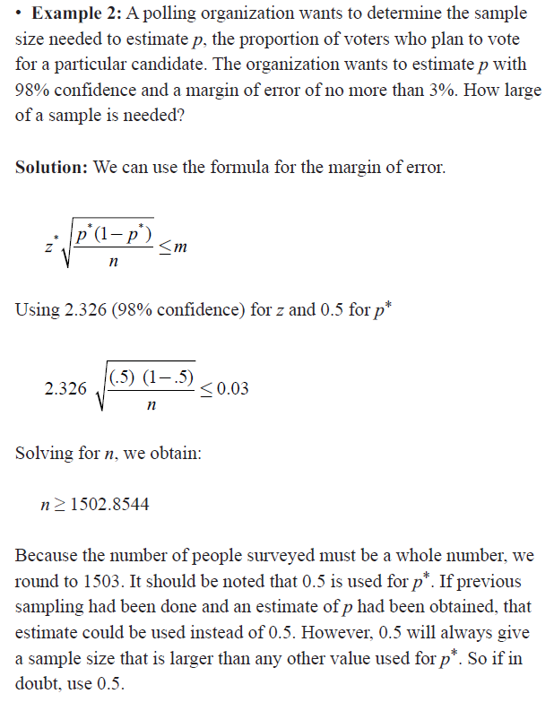
8.1 One-Sample z-Interval for Proportions

Example 1: Cassidy is interested in knowing the percentage of
fourth graders in the Indianapolis area who own a cell phone in hopes
of convincing her parents that she should own one too. With the help of
her favorite statistician, she gathers information from a random sample
of 100 fourth graders in the Indianapolis area. She finds that 18 of the
100 fourth graders sampled do indeed own a cell phone. Construct a
90% confidence interval for the true proportion of fourth graders who
own cell phones.

Solution:
Step 1: We want to estimate p, the true proportion of fourth graders who
own cell phones. We must check the assumptions and conditions.
Assumptions and conditions that verify:

1. Individuals are independent
2. Sample is large enough:

Step 2: Since the assumptions and conditions for inference have been
met, we will construct the one-proportion z-interval.

 | IC | 95%
 | n= | 100
 | p= | 0.18
 | z= | 1.644853627

 | LI= | 0.11680678725
 | LS= | 0.24319321275

Step 3: We are 90% confident that the true proportion of fourth graders
who own cell phones in the Indianapolis area is between 11.68% and
24.32%. Cassidy will remain one of those “unfortunate” fourth graders
who do not own a cell phone.

8.2 theory
 |  | Page 150
8.2 One-Sample z-Test for Proportions
Hypothesis testing for a one-proportion z-test is similar to that of a one-sample t-test, at least to some extent. The difference is that we are dealing with proportions intead of means. The assumptions and conditions are the same for a one-proportion z-test as they are for a one-proportion z-interval. Keep in mind, however, that since we do not know the true population proportion, p, we use the hypothesized value, p_0, when checking the assumptions and conditions. We also use p_0 for calculating the standard error of the sampling distribution of p^. As with a one-sample t-test, we use an equality when stating the null hypothesis and an inequality when stating the alternative hypothesis. We will use the same three-step process for organizing the inference procedure as we have done thus far to help ensure that we include the essentials of inference.
Provided that the assumptions and conditions for a one-proportion z-test are met, we can calculate the test statistic using:
We then obtain a p-value based on the value of z and make a decision whether to reject or fail to reject the null hypothesis

Assumptions | Conditions
1. Individuals are independent | 1. SRS and <10% of population (10n<N)
2. Sample is large enough | 2. np ≥ 10 and n(1 – p) ≥ 10 Use pˆ for C.I. and p0 for tests

8.2
8.2 One-Sample z-Test for Proportions

• Provided that the assumptions and conditions for a one-proportion
z-test are met, we can calculate the test statistic using:

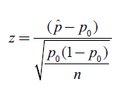

• Example 3: A beverage company claims that 45% of adults drink diet
soda. Skeptical about the claim, Addison obtains a random sample of
1000 adults and finds that 419 of them drink diet soda. Is there evidence
to support Addison's suspicion that less than 45% of adults drink diet
soda?

Solution:
Step 1: We will conduct a one-proportion z-test.
Let p = proportion of all adults who drink diet soda
H0 : p = 0.45
Ha : p < 0.45

Assumptions and conditions that verify:
1. Individuals are independent.
2. Sample is large enough:

Step 2: The assumptions and conditions for inference have been met; we
will perform a one-proportion z-test.

 | p_0= | 0.45
 | n= | 1000
 | p^= | 0.419

 | z= | -1.9704893511
 | p value = | 0.024391157121

Step 3: With a p-value of 0.0244, we reject the null hypothesis at the
5% level. We conclude that the proportion of adults who drink diet soda
is less then 45%.

8.3 theory
 |  | Page 159
8.3 Two-Sample z-Interval for Difference Between Two Proportions
• We are sometimes interested in comparing the proportion of successes between two groups. For example, we might be interested in knowing the difference in the proportion of males and females who text while driving.
Or, we might be interested in the difference between the portion of college and high-school students who use laptops on a regular basis in their classes.
• We use the statistic p^1 - p^2 to estimate the true difference in the population proportions, p_1 - p_2. Remember that p^1 - p^2 is an unbiased estimator of p_1 - p_2.
• The standard deviation of the sampling distribution of p^1 - p^2 is
When dealing with a confidence interval, the values of p_1 and p_2 are unknown. For this reason, we use the standard error of the statistic p^1 - p^2:
The formula for the confidence interval for comparing two proportions is:
The assumptions and conditions for inference when working with two proportions are as follows:

Assumptions | Conditions
1. Samples are independent of each other | 1. Is this reasonable?
2. Individuals in each sample are independent | 2. Both samples are SRSs and n<10% of population for both samples
3. Both samples are large enough | 3. np ≥ 10 and n(1 – p) ≥ 10 for both samples

8.4 theory
 |  | Page 159
8.4 Two-Sample z-Test for Difference Between Two Proportions
• We are sometimes interested in knowing whether or not two population proportions are really different from one another. Remember that when sampling, we always encounter sampling variability. When we find the sample proportions, we want to determine if there really is a difference between the population proportions or if the difference between the
obtained sample proportions is purely due to chance.
• The null hypothesis for a two-proportion z-test is H_0 : p_1 = p_2. The alternative hypothesis can be one- or two-sided. To conduct the hypothesis test, we need to standardize the test statistic p^1 - p^2 , . If the null hypothesis is true, then the observations from each sample actually belong to a singe population. Therefore, instead of estimating each sample proportion separately, we use the pooled sample proportion.
To find the pooled sample proportion, we use:
• Once the pooled sample proportion is calculated, we can then find the standard error of the sampling distribution. Recall that for the two-proportion z-interval, we used:
Replacing each sample proportion with the pooled proportion, we obtain:
We can simplify the standard error to obtain:
• The assumptions and conditions for inference for a two-proportion
z-test are the same as those for a two-proportion z-interval. Provided
the assumptions and conditions for inference are met, we can use the
test statistic:

Assumptions | Conditions
1. Samples are independent of each other | 1. Is this reasonable?
2. Individuals in each sample are independent | 2. Both samples are SRSs and n<10% of population for both samples
3. Both samples are large enough | 3. np ≥ 10 and n(1 – p) ≥ 10 for both samples

8.4
8.4 Two-Sample z-Test for Difference Between Two Proportions

• We are sometimes interested in knowing whether or not two population
proportions are really different from one another.

• Example 5: A local college is interested in knowing if the proportion
of high school students taking a fourth year of math is greater for students
in suburban schools than in rural schools. To help answer this question,
the college obtains a random sample of 500 senior students from suburban
school districts and a random sample of 450 senior students from rural
school districts across the country. The survey reveals that, of the
500 suburban students, 323 are taking a fourth year of math while only
279 of the 450 rural students are taking a fourth year of math. Is there
evidence to suggest that the proportion of seniors taking a fourth year of
math in suburban school districts is greater than the proportion of seniors
taking a fourth year of math in rural school districts at the 5% level?

Solution:
Step 1:
p1 = proportion of seniors taking a fourth year of math
in suburban schools
p2 = proportion of seniors taking a fourth year of math
in rural schools

H0 : p1 = p2
Ha : p1 > p2

Assumptions and conditions that verify:
1. Samples are independent of each other.
2. Individuals in each sample are independent.
3. Both samples are large enough:

Step 2: Because the assumptions and conditions for inference have been
met, we should be safe to perform a two-sample z-test.

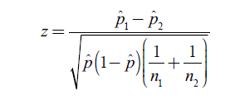

n_1= | 500 | 323 | 177
n_2= | 450 | 279 | 171

p1^= | 0.646
p2^= | 0.62

pooled proportion pˆ = |  | 0.63368421053

z= | 0.83049790658
p= | 0.20312866547 | No entiendo el cálculo

Step 3: With a p-value of 0.2031, we fail to reject the null hypothesis at
the 5% level. We conclude that the proportion of seniors taking a fourth
year of math in suburban schools is not greater than the proportion of
seniors taking a fourth year of math in rural schools.

9.2 theory
 |  | Page 159
9.2 Chi-Square Test for Goodness of Fit
• We sometimes want to examine the proportions in a single population. In this case, we turn to the Chi-Square Test for Goodness of Fit. You may have used or seen the chi-square test for goodness of fit in your biology class, for it is often used in the field of genetics. The goodness of fit test can be used by scientists to determine whether their hypothesized ratios are indeed correct. The null hypothesis in a goodness of fit test is that the actual population proportions are equal to the hypothesized values. The alternative hypothesis is that the actual population proportions are different from the hypothesized values.
• We can use the goodness of fit test to determine how well the observed counts match the expected counts.
• As with all inference, we must be sure to check the assumptions and conditions of the test. Following are the assumptions and conditions for the chi-square goodness of fit test:

Assumptions | Conditions
1. Data are in counts | 1. Is this true?
2. Data are independent | 2. SRS and <10% of population (10n<N)
3. Sample is large enough | 3. All expected counts ≥ 5

• Once we have checked the assumptions and conditions for inference,
we can calculate the chi-square test statistic to test the hypothesis of
either a uniform distribution for the given categories or some specified
distribution for each category. We can use the test statistic:
The chi-square statistic for a goodness of fit test has n–1 degrees of freedom,
where n is the number of categories (not the sample size).
• We can calculate the p-value of the test by looking up the critical value
with the correct degrees of freedom in the chi-square table of values or
by using the graphing calculator χ2 cdf command.

9.3 theory
 |  | Page 159
9.3 Chi-Square Test for Homogeneity of Populations
• We sometimes need to compare proportions across multiple groups. When we want to
know if category proportions are the same for each group, we use the Chi-Square Test for Homogeneity. The data typically appear in two-way tables, as there are sometimes several categories. The chi-square test of homogeneity of populations eliminates the problem of comparing proportion 1 to proportion 2, proportion 1 to proportion 3, proportion 2 to proportion 3, and so on, as would be the case using multiple z-proportions.
• Although we are trying to determine whether the proportions for multiple populations are the same, it’s important to remember that we are still working with counts. The expected counts for a chi-square test of homogeneity are not found in the same manner as they are in a goodness of fit test. To find the expected counts for a chi-square test
of homogeneity, we use the following:
• The degrees of freedom are also calculated differently in a chi-square test of homogeneity than they are for a goodness of fit test. To find the degrees of freedom for a chi-square test of homogeneity, we use the following:
Degrees of freedom = (# of rows – 1)(# of columns – 1) = (r – 1)(c – 1)
• The null hypothesis for a chi-square test of homogeneity is that the distribution (proportion) of the counts for each group is the same. The alternative hypothesis is that the distribution for the counts for each group is not the same. We can write the null and alternative hypotheses in words or symbols.
• Because we are working with observed and expected counts, the chi-square test for homogeneity uses the same test statistic as the goodness of fit test.
• As is the case for all inference procedures, we must always check the
assumptions and conditions. The assumptions and conditions for a
chi-square test of homogeneity are:

Assumptions | Conditions
1. Data are in counts | 1. Is this true?
2. Data in each sample are independent | 2. SRS’s and each sample <10% of population (10n<N)
3. Sample is large enough | 3. All expected counts ≥ 5

• Once we have checked the assumptions and conditions for inference, we can calculate the chi-square test statistic to test the hypothesis of either a uniform distribution for the given categories or some specified distribution for each category. We can use the test statistic:
The chi-square statistic for a goodness of fit test has n–1 degrees of freedom, where n is the number of categories (not the sample size).
• We can calculate the p-value of the test by looking up the critical value with the correct degrees of freedom in the chi-square table of values or by using the graphing calculator χ2 cdf command.

9.4 theory
 |  | Page 181
9.4 Chi-Square Test for Independence/Association
• We use a Chi-Square Test for Independence/Association to determine whether there is an association between two categorical variables in a single population. As with the chi-square test for homogeneity, the data are usually given in two-way tables. When testing for independence/ association, the two-way tables are called contingency tables because
we are classifying individuals into two categorical variables.
• When do you use a chi-square test of homogeneity, and when do you use a chi-square test for independence/association? In order to differentiate between the two types of tests, you need to think about the design of the study.
• Remember that in a test of independence/association, there is a single sample from a single population. The individuals within the samples are classified according to two categorical variables. The chi-square test for homogeneity, on the other hand, takes only one sample from each of the populations of interest. Each individual from the sample is categorized based on a single variable. Thus, the null and alternative hypotheses
differ depending on how the study was designed.
• The null hypothesis for a chi-square test of association/independence is that there is no relationship between the two categorical variables of interest. The alternative hypothesis is that there is a relationship between the two categorical variables of interest. We typically write the null and alternative in one of the following two ways:
H0 : The two categorical variables are independent
Ha : The two categorical variables are not independent
or
H0 : There is no association between the categorical variables
Ha : There is an association between the categorical variables
• We will use the same three-step procedure we have used for all inferences thus far, including the assumptions and conditions for the chi-square test for independence/association. The assumptions and conditions for this test are:

Assumptions | Conditions
1. Data are in counts | 1. Is this true?
2. Data in each sample are independent | 2. SRS’s and each sample <10% of population (10n<N)
3. Sample is large enough | 3. All expected counts ≥ 5

• Since the data are in counts, we continue to use the same chi-square
test statistic:
The chi-square statistic for a goodness of fit test has n–1 degrees of freedom,
where n is the number of categories (not the sample size).
• We can calculate the p-value of the test by looking up the critical value
with the correct degrees of freedom in the chi-square table of values or
by using the graphing calculator χ2 cdf command.

4.5.1
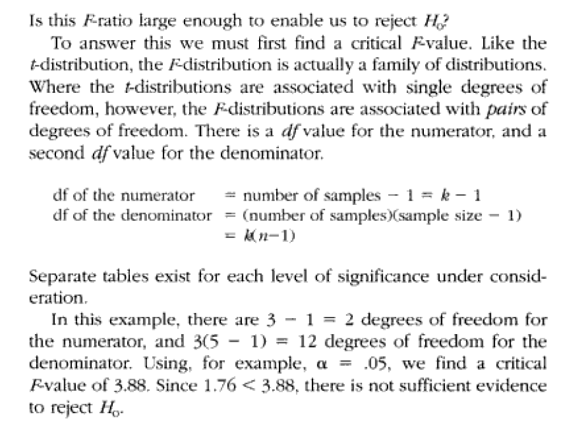
4.5.1 Varianza entre y dentro de las muestras
Se define y calcula una "varianza entre" y varianza dentro" y luego se forma un ratio de estas dos varianzas.
Si este ratio F, es > valor crítico F, concluímos que hay suficiente evidencia para rechazar H0: µ0 = µ2 = µ3 … |  |  |  |  |  |  | Fuente:
 |  |  |  |  |  |  | https://www.investopedia.com/terms/a/anova.asp#:~:text=ANOVA%20is%20helpful%20for%20testing,the%20variance%20into%20diverse%20sources.
 | F = | σ2 | (entre)
 |  | σ2 | (dentro)

Ejemplo:

 |  |  | X1 | X2 | X3
 |  |  | Salario | Comisiones | Salario + comisión
 |  |  | 4 | 7 | 7
 |  |  | 7 | 2 | 9
 |  |  | 8 | 4 | 6
 |  |  | 5 | 5 | 6
 |  |  | 6 | 7 | 7

 |  | n1= | 5
 |  | n2= | 5
 |  | n3= | 5

 |  | x̅1= | 6
 |  | x̅2= | 5
 |  | x̅3= | 7

 |  | s1= | 2.50
 |  | s2= | 4.50
 |  | s3= | 1.50

 | σ2(dentro)= |  | 2.83

 |  | µ = | 6

 | σ2x̅= |  | 1

 | σ2x̅(entre) = nσ2x̅ (de σx̅ = σ/√n)
 | σ2x̅(entre)= |  | 5

 | F = | σ2(entre)
 |  | σ2(dentro)

 | F = | 1.76

 | gl en el numerador = número de muestras - 1 = k - 1
 | gl en el denominador = (número de muestras) (tamaño de la muestra -1) = k(n-1)

 | gl en el numerador = | 2 |  |  |  | 3.8852938347
 | gl en el denominador = | 12

 | Con α=0.5, encontramos el valor crítico en la tabla F el valor para 2 y 12
 | 1.76 < 3.88
 | No hay suficiente evidencia para rechazar H0

4.5.3
Using ANOVA to Test Hypotheses
You use analysis of variance (ANOVA) to test hypotheses about the equality of two or more population means. ANOVA is based on experiments performed on subjects that are independent of each other; in other words, they are not related to each other.
The following procedure is based on the assumptions that
✓ The samples chosen are independent of each other
✓ The underlying populations have equal variances
✓ The populations are normally distributed
Writing the null and alternative hypotheses
The null hypothesis is a statement that’s assumed to be true unless you find strong contrary evidence. For testing the hypothesis that three population means are equal, you write:
In this expression,
H0 represents the null hypothesis
μ1, μ2, μ3 represent the means of population 1, 2 and 3
The alternative hypothesis is a statement that you accept in the event that the null hypothesis is rejected (for example, there’s strong evidence against it). When testing the hypothesis that three population means are equal, the alternative hypothesis is simply that the three population means are not equal.
This alternative hypothesis can be expressed in different ways, such as:
H1: The three means are not all equal
H1: At least one of the three means is different from the others
In these examples, H1 represents the alternative hypothesis.
Choosing the level of significance
To test a hypothesis, you have to choose a level of significance. The level of significance, designated with α, equals the probability of incorrectly rejecting the null hypothesis when it’s actually true. This is called a Type I error. A Type II error occurs when you fail to reject the null hypothesis when it’s not true. (Check out Chapter 12 for details on Type I and Type II errors in hypothesis testing.)
For many business applications, the level of significance is chosen as 0.05 (5 percent). Other frequent choices include 0.001, 0.01, and 0.10.
Computing the test statistic
The test statistic is a numerical value that is used to determine if the null hypothesis should be rejected. The form of the test statistic depends on the type of hypothesis being tested. If the test statistic has an extremely large positive or negative value, this may be a sign that the null hypothesis is incorrect and should be rejected.
Constructing the test statistic for ANOVA is quite complex, compared with other types of hypothesis tests (see Chapter 12 for a discussion of the steps required for hypothesis testing).

Procedimiento formal para comparar varias medias muestrales

 | Se asume que las poblaciones originales tienen distribución normal y que las varianzas son iguales.
 | Si se tienen k poblaciones y una muestra de tamaño n por cada población. Testeamos la hipótesis nula como sigue:

 | H_0: mu_1 = mu_2 = … mu_k

 | 1. Calcule las medias muestrales: x_1, x_2, …, x_k donde

 | x_i = Sum x/n

 | 2. Calcule las varianzas muestrales: s^2_1, s^2_2, …, s^2_k donde

 | s^2_i = Sum (x - x_i)/(n-1)

 | 3. Calcule la media total

 | 4. Calcule la varianza de las medias de la muestra

 | 5. Calcule la varianza dentro de las muestras

 | 6. Calcule la varianza entre muestras

 | 7. Calcule el ratio F

 | 8. Encuentre el valor crítico F, utilizando la tabla F considerando: nivel de significacia, gl del numerador = k-1, gl del denominador = k(n-1)

 | 9. Si el ratio F > Valor crítico de la tabla F, es suficiente evidencia para rechazar H_0, de otra forma no lo haga.

Hoja3
Two-Way ANOVA
https://www.statology.org/two-way-anova-by-hand/

A two-way ANOVA is used to determine whether
or not there is a statistically significant difference
between the means of three or more independent
groups that have been split on two factors.

 |  |  | Sunlight exposure
 | Watering frequency | None | Low | Medium | High
 | Daily | 4.8 | 5 | 6.4 | 6.3
 |  | 4.4 | 5.2 | 6.2 | 6.4
 |  | 3.2 | 5.6 | 4.7 | 5.6
 |  | 3.9 | 4.3 | 5.5 | 4.8
 |  | 4.4 | 4.8 | 5.8 | 5.8
 | Weekly | 4.4 | 4.9 | 5.8 | 6
 |  | 4.2 | 5.3 | 6.2 | 4.9
 |  | 3.8 | 5.7 | 6.3 | 4.6
 |  | 3.7 | 5.4 | 6.5 | 5.6
 |  | 3.9 | 4.8 | 5.5 | 5.5

We can use the following steps to perform a two-way ANOVA:

Step 1: Calculate Sum of Squares for First Factor (Watering Frequency)

 | Grand mean= | 5.1525
 | Mean of Daily = | 5.155
 | Mean of Weekly = | 5.15

 | Next, we will calculate the sum of squares for the factor “watering frequency” by using the following formula:

 | where:

 | n: the sample size of group j
 | S: a greek symbol that means “sum”
 | Xj: the mean of group j
 | X..: the grand mean

 | n= | 20
 | x_j1= | 5.155
 | x_j2= | 5.15
 | x_= | 5.1525

 | Σn(Xj – X..)^2= |  | 0.00025

Step 2: Calculate Sum of Squares for Second Factor (Sunlight Exposure)

 |  |  |  | n
 | Mean of No Sunlight = |  | 4.07 | 10
 | Mean of Low Sunlight = |  | 5.1 | 10
 | Mean of Medium Sunlight = |  | 5.89 | 10
 | Mean of High Sunlight = |  | 5.55 | 10

 | Next, we will calculate the sum of squares for the factor “sunlight exposure” by using the following formula:

 | where:

 | n: the sample size of group j
 | S: a greek symbol that means “sum”
 | Xj: the mean of group j
 | X..: the grand mean

 | Σn(Xj – X..)^2= |  | 18.76475

Step 3: Calculate Sum of Squares Within (Error)

Next, we will calculate the sum of squares within by taking the sum
of squared differences between each combination of factors and the
individual plant heights

 |  | Means |  | Sunlight exposure
 |  | Watering frequency | None | Low | Medium | High
 |  | Daily | 4.14 | 4.98 | 5.72 | 5.78
 |  | Weekly | 4 | 5.22 | 6.06 | 5.32

 |  | None | Low | Medium | High
 |  | 0.4356 | 0.0004 | 0.4624 | 0.2704
 |  | 0.0676 | 0.0484 | 0.2304 | 0.3844
 |  | 0.8836 | 0.3844 | 1.0404 | 0.0324
 |  | 0.0576 | 0.4624 | 0.0484 | 0.9604
 |  | 0.0676 | 0.0324 | 0.0064 | 0.0004
 | Daily | 1.512 | 0.928 | 1.788 | 1.648

 |  | 0.16 | 0.1024 | 0.0676 | 0.4624
 |  | 0.04 | 0.0064 | 0.0196 | 0.1764
 |  | 0.04 | 0.2304 | 0.0576 | 0.5184
 |  | 0.09 | 0.0324 | 0.1936 | 0.0784
 |  | 0.01 | 0.1764 | 0.3136 | 0.0324
 | Weekly | 0.34 | 0.548 | 0.652 | 1.268

 | We can then take the sum of all of these values to find the sum of squares within (error):

 | Sums of squares within = |  | 8.684

Step 4: Calculate Total Sum of Squares

Next, we can calculate the total sum of squares by taking the sum
of the differences between each individual plant height and the grand mean:

 |  |  | Sunlight exposure
 | Watering frequency | None | Low | Medium | High
 | Daily | 0.12425625 | 0.02325625 | 1.55625625 | 1.31675625
 |  | 0.56625625 | 0.00225625 | 1.09725625 | 1.55625625
 |  | 3.81225625 | 0.20025625 | 0.20475625 | 0.20025625
 |  | 1.56875625 | 0.72675625 | 0.12075625 | 0.12425625
 |  | 0.56625625 | 0.12425625 | 0.41925625 | 0.41925625
 | Weekly | 0.56625625 | 0.06375625 | 0.41925625 | 0.71825625
 |  | 0.90725625 | 0.02175625 | 1.09725625 | 0.06375625
 |  | 1.82925625 | 0.29975625 | 1.31675625 | 0.30525625
 |  | 2.10975625 | 0.06125625 | 1.81575625 | 0.20025625
 |  | 1.56875625 | 0.12425625 | 0.12075625 | 0.12075625

 | Total Sum of Squares = |  | 28.45975

Step 5: Calculate Sum of Squares Interaction

Next, we will calculate the sum of squares interaction by using the following formula:

 | SS Interaction = SS Total – SS Factor 1 – SS Factor 2 – SS Within
 | SS Interaction = |  | 28.45975 | 0.00025 | 18.76475 | 8.684
 | SS Interaction = |  | 1.01075

Step 6: Fill in ANOVA Table

Lastly, we’ll fill in the values for the two-way ANOVA table:
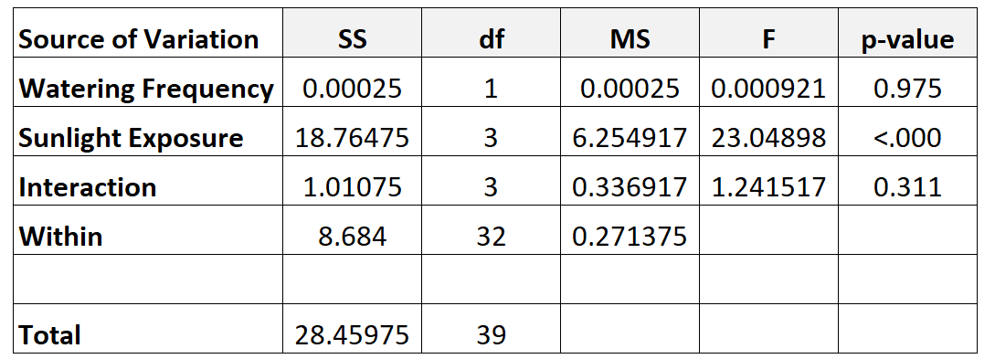

 | Here is how we calculated the various numbers in the table:

 | df Watering Frequency: j-1 = 2-1 = 1
 | df Sunlight Exposure: k-1 = 4-1 = 3
 | df Interaction: (j-1)*(k-1) = 1*3 = 3
 | df Within: n – (j*k) = 40 – (2*4) = 32
 | df total: n-1 = 40-1 = 39
 | MS: SS/ df
 | F Watering Frequency: MS Watering Frequency / MS Within
 | F Sunlight Exposure: MS Sunlight Exposure / MS Within
 | F Interaction: MS Interaction / MS Within
 | p-value Watering Frequency: The p-value that corresponds to F value of .000921 with df numerator = 1 and df denominator = 32
 | p-value Sunlight Exposure: The p-value that corresponds to F value of 23.04898 with df numerator = 3 and df denominator = 32
 | p-value Interaction: The p-value that corresponds to F value of 1.241517 with df numerator = 3 and df denominator = 32

 | Note #1: n = total observations, j = number of levels for watering frequency, k = number of levels for sunlight exposure.
 | Note #2: The p-values that correspond to the F-value were calculated using the F Distribution Calculator.

Step 7: Interpret the results

We can observe the following from the ANOVA table:

The p-value for the interaction between watering frequency and sunlight exposure was 0.311. This is not statistically significant at a = 0.05.
The p-value for watering frequency was 0.975. This is not statistically significant at a = 0.05.
The p-value for sunlight exposure was < 0.000. This is statistically significant at a = 0.05.

These results indicate that sunlight exposure is the only factor that has a statistically significant effect on plant height.
And because there is no interaction effect, the effect of sunlight exposure is consistent across each level of watering frequency.
That is, whether a plant is watered daily or weekly has no impact on how sunlight exposure affects a plant.

